MAP-FILTER-REDUCE
MAP-FILTER-REDUCE

Many data analysis tasks can be split into three steps:

1. FILTER the data you want to work with.
2. MAP the data into the form you want. (Not always the MAP function.)
3. REDUCE the data into a single number. (Usually not the REDUCE function!)

We already did this in the first sheet:

Array
14 | 19 | 14 | 12 | 13
17 | 13 | 11 | 20 | 10
13 | 16 | 19 | 16 | 17
16 | 15 | 20 | 15 | 13
18 | 16 | 18 | 19 | 13

=SUM(MAP(FILTER(TOROW(B13:F17);TOROW(B13:F17)>13);LAMBDA(x;x^2)))
4975

Remember to read the formula inside-out.

LET is very frequently used in map-filter-reduce applications.

=SUM(LET(arr;TOROW(B13:F17);MAP(FILTER(arr;arr>13);LAMBDA(x;x^2))))
4975

Application

How much more do racing games sell in America than in Japan, on average?

Solution
1. FILTER out the racing games.
2. Find the difference between American and Japanese sales.
3. AVERAGE the sales of the games.

#N/A

Exercise

What percentage of N64 games sold more than 1 million copies?

Solution
1. FILTER the N64 games.
2. MAP each game to 0 or 1 depending on their sales.
3. AVERAGE the number of successes.

#N/A

Exercise

Make the function PERCENT(platform) that generalizes the previous exercise to work for any platform. It should return the same as the formula above when applied to "N64".

=PERCENT("N64")
#NAME?

Complicated application

Which platform had the largest percentage of games selling more than 1
million copies? And what percentage of games sold more than a million for
that platform? (Report percentages in probabilities for simplicity.)

Solution
1. FILTER out every UNIQUE platform from the data set.
2. MAP each platform to the percent games sold.
3. Use MAX and XLOOKUP to find the winning console.

=APP
#NAME?

Aside

MAP-FILTER-REDUCE is powerful, but not all-powerful. If you're used to
other programming languages, you have most likely used for loops. These
are far more general, but not supported in Excel. To gain the full power of
general-purpose programming language you'd have to use recursion,
which is beyond the scope of this course. (The interested student might
want to figure out for himself how to do recursion in Excel though!)

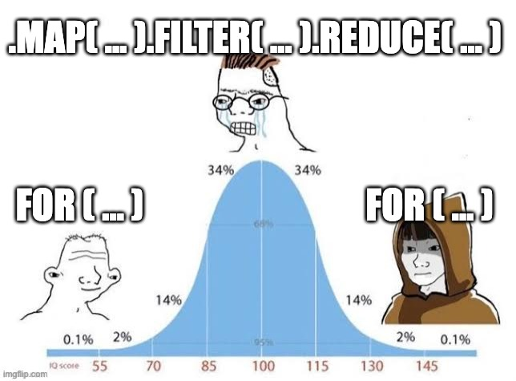

(Yeah, sorry, this is a course for crying wojaks.)

